Data CBS
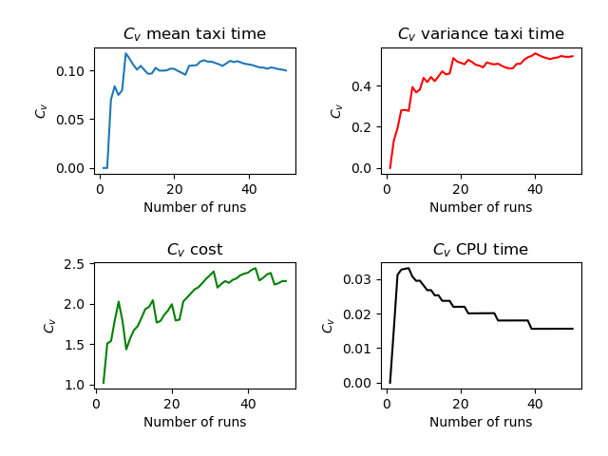
Run | Number of Aircraft | Maximum Spawn Time | Mean Taxitime | Variance Taxitime | Variance Cost | CPU Time
1 | 4 | 5 | 8 | 4.5 | 0 | 3.641
2 | 4 | 5 | 8 | 5.875 | 0.062 | 3.53
3 | 4 | 5 | 9.25 | 3.688 | 0 | 3.811
4 | 4 | 5 | 9.625 | 2.672 | 0.672 | 3.507
5 | 4 | 5 | 8.75 | 3.188 | 0 | 3.488
6 | 4 | 5 | 9.75 | 3.188 | 0 | 3.466
7 | 4 | 5 | 11.375 | 1.172 | 0.172 | 3.555
8 | 4 | 5 | 10 | 3.5 | 0.75 | 3.508
9 | 4 | 5 | 9.25 | 2.188 | 0 | 3.486
10 | 4 | 5 | 9.75 | 1.188 | 0 | 3.582
11 | 4 | 5 | 8.125 | 4.297 | 0.047 | 3.475
12 | 4 | 5 | 9.5 | 6.25 | 0 | 3.484
13 | 4 | 5 | 9.25 | 4.188 | 0 | 3.51
14 | 4 | 5 | 8.375 | 6.922 | 0.047 | 3.496
15 | 4 | 5 | 7.75 | 7.688 | 0 | 3.49
16 | 4 | 5 | 8.875 | 5.797 | 0.672 | 3.553
17 | 4 | 5 | 10.125 | 2.672 | 0.047 | 3.515
18 | 4 | 5 | 8.25 | 10.688 | 0 | 3.469
19 | 4 | 5 | 8 | 6.5 | 0 | 3.501
20 | 4 | 5 | 8.25 | 3.688 | 0 | 3.495
21 | 4 | 5 | 8.75 | 3.688 | 0.75 | 3.537
22 | 4 | 5 | 9.5 | 1.625 | 0.062 | 3.527
23 | 4 | 5 | 9.25 | 4.062 | 2.062 | 3.498
24 | 4 | 5 | 7 | 5.5 | 0 | 3.495
25 | 4 | 5 | 8 | 3.5 | 0 | 3.482
26 | 4 | 5 | 8 | 4 | 0 | 3.457
27 | 4 | 5 | 10.625 | 1.172 | 0.047 | 3.501
28 | 4 | 5 | 7.75 | 3.688 | 0 | 3.477
29 | 4 | 5 | 8.5 | 3.25 | 0 | 3.461
30 | 4 | 5 | 10 | 2.5 | 0 | 3.522
31 | 4 | 5 | 9.5 | 5.25 | 0 | 3.486
32 | 4 | 5 | 9.5 | 4.25 | 0.75 | 3.538
33 | 4 | 5 | 9 | 3.5 | 0 | 3.5
34 | 4 | 5 | 7.5 | 2.75 | 0 | 3.493
35 | 4 | 5 | 10.625 | 0.922 | 0.172 | 3.498
36 | 4 | 5 | 9.5 | 2.75 | 0 | 3.512
37 | 4 | 5 | 10.375 | 0.922 | 0.047 | 3.493
38 | 4 | 5 | 9.25 | 8.688 | 0 | 3.483
39 | 4 | 5 | 9.375 | 1.922 | 0.047 | 3.514
40 | 4 | 5 | 9.875 | 1.297 | 0.047 | 3.514
41 | 4 | 5 | 8.5 | 5.25 | 0 | 3.512
42 | 4 | 5 | 9 | 5 | 0 | 3.508
43 | 4 | 5 | 9.375 | 6.422 | 0.672 | 3.504
44 | 4 | 5 | 8.25 | 3.688 | 0 | 3.491
45 | 4 | 5 | 9 | 2 | 0 | 3.476
46 | 4 | 5 | 10.5 | 2.25 | 0 | 3.491
47 | 4 | 5 | 9.75 | 1.688 | 0.75 | 3.502
48 | 4 | 5 | 9.375 | 6.672 | 0.047 | 3.501
49 | 4 | 5 | 8.5 | 2.75 | 0 | 3.483
50 | 4 | 5 | 9.5 | 2.125 | 0.062 | 3.514
 | 4 | 5 | 9.0775 | 3.8586 | 0.15968 | 3.51064

